DATA VIZ TIPS
REFERENCE MATERIAL

Questions to inform your design:
1. Who is your audience and what question do they need to answer?
2. What kind of data story do you want to create?
3. How visually precise does the chart need to be?
4. What from the defaults can you remove to declutter the chart?
5. How can you add purposeful color to highlight purposefully?
6. What meaningful text can you add to enhance understanding?

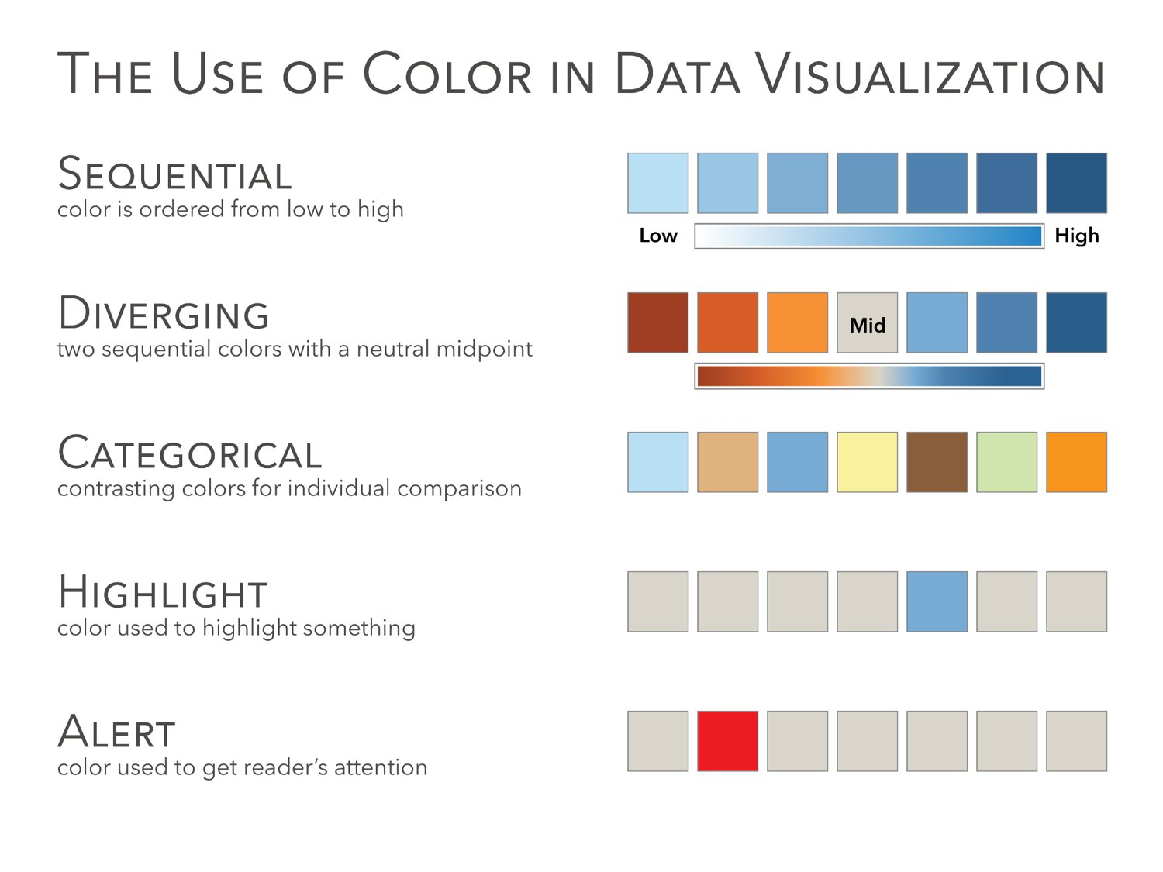
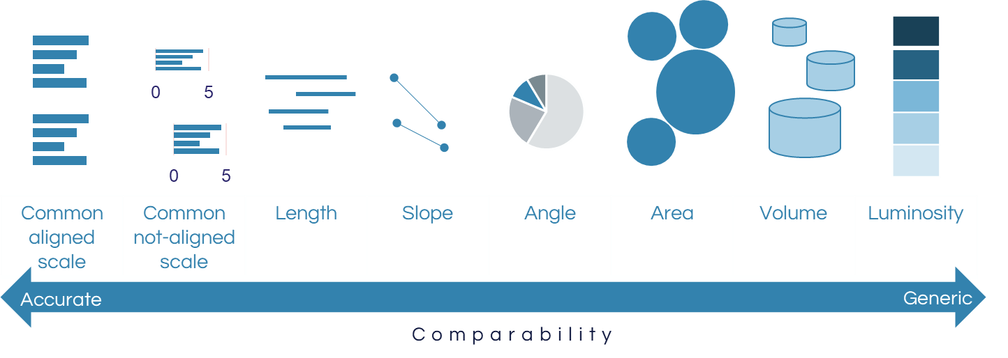

Adapted from Alberto Cairo
Original adaptation by Jeff Knezovich
Additional ideas from https://www.interaction-design.org/literature/article/visual-mapping-the-elements-of-information-visualization

 | From Jeff Shaffer, author of the Big Book of Dashboards
 | https://twitter.com/HighVizAbility/status/1259855241090121732/photo/1

DESIGN FEATURES
REFERENCE MATERIAL

Edit the design template (colors and fonts) | Identify a color palette that aligns to your logo,
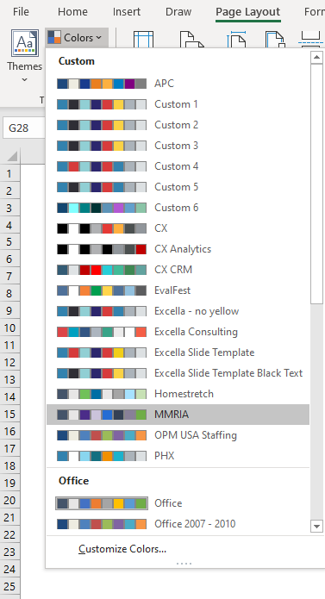

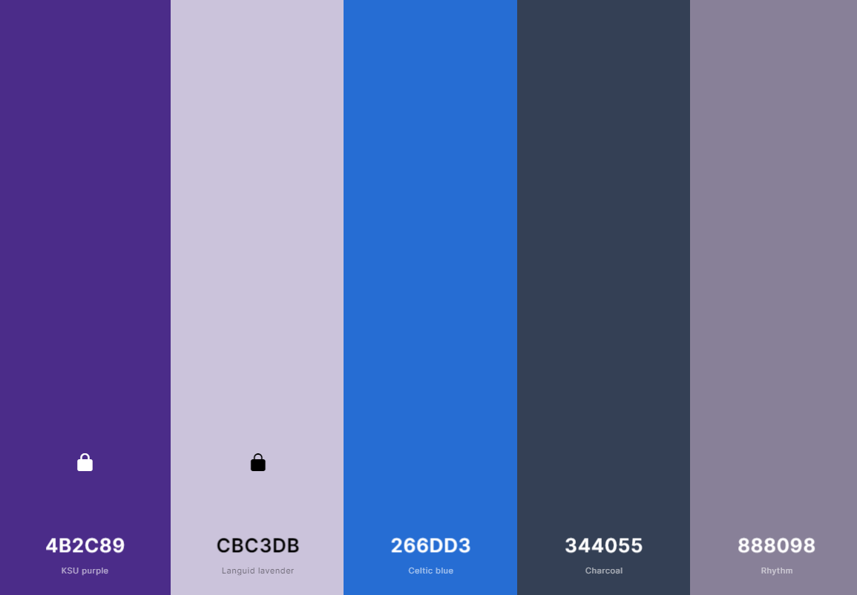

 |  | generated by Coolors.co

SAMPLE BAR ANNOTATED
REFERENCE MATERIAL

Sample bar chart for Use Case 2, including annotations of formatting changes made.

Default, with change annotations in gray | Reformatted
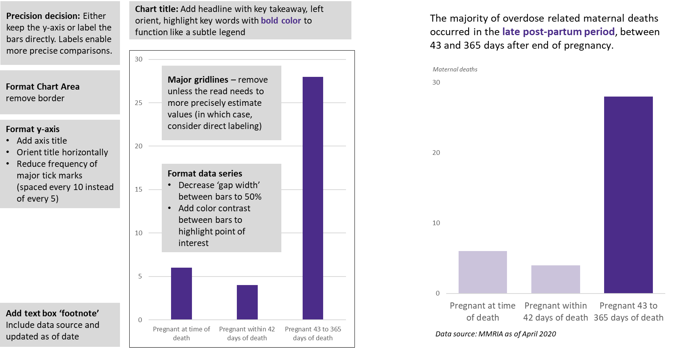

1 - MEDIA
USER STORY 1

As a member of the media, I need to communicate the importance of this issue to the public and would like to highlight preventability.

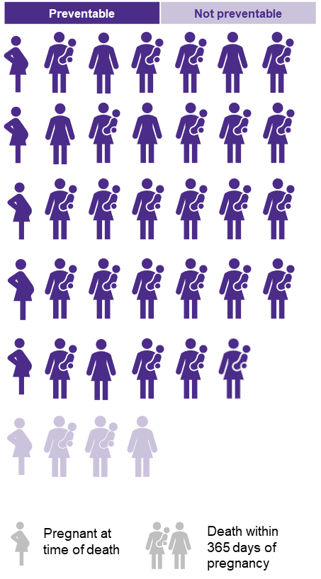
 | Count of deaths
Not preventable | 4
Preventable | 34
Of 38 overdose related maternal deaths, nearly 90% were preventable.
The majority of deaths occured in the postpartum period.
Additional details on timing
Not preventable | 4
Pregnant 43 to 365 days of death | 3
Pregnant at time of death | 1
Preventable | 34
Pregnant 43 to 365 days of death | 25
Pregnant at time of death | 5
Pregnant within 42 days of death | 4

Key takeaways:
Use simple text and icons to represent a dataset. Manipulate icons in powerpoint due to snap to grid features.
When using icons, consider how maternal deaths are represented, when a large share happen in the postpartum period.
Tip: Use powerpoint to create isotype graphs, as the grid alignment features make it easier to set up an organized frame. Or, use a tool like Piktochart.com that will generate isotype graphs based on data you input.

2 - PUBLIC
USER STORY 2

As a concerned member of the general public, I need to understand when pregnant and postpartum women are most at risk for an overdose death
so I can look for warning signs in my family and friends.

 |  | Headline: The majority of overdose related maternal deaths occured in the late post-partum period, between 43 and 365 days after end of pregnancy.
Time of death | Count
Pregnant at time of death | 6
Pregnant within 42 days of death | 4
Pregnant 43 to 365 days of death | 28

Key Takeaways
Many different chart types can be used to visualize a simple data set, including bar, column, pie, and treemap.
For this user story, the choice of what chart to use will depend on the audience and if the primary story to tell is about comparing categories or a part to whole comparison.

3 - COMMITTEE
USER STORY 3

As a member of the committee, I would like to see if there are differences in the timing of pregnancy associated deaths by preventability.
(E.g. do committees find that overdose deaths during pregnancy are more or less preventable than overdose deaths after end

 | Preventable | Not preventable
Pregnant at time of death | 5 | 1
Pregnant within 42 days of death | 4
Pregnant 43 to 365 days of death | 25 | 3
 |  |  |  |  |  | Headline: The largest share of overdose related deaths that were preventable were among women pregnant at the time of death.
 | Preventability
 | Not preventable | Preventable | Total
Pregnant at time of death | 1 | 5 | 6
Pregnant within 42 days of death |  | 4 | 4
Pregnant 43 to 365 days of death | 3 | 25 | 28

 | Share of deaths by preventability
 | No | spacer | Yes | spacer | n
Pregnant at time of death (n=6) | 17% | 83% | 83% | 17% | 6
Pregnant within 42 days of death (n=4) | 0% | 100% | 100% | 0% | 4
Pregnant 43 to 365 days of death (n=28) | 11% | 89% | 89% | 11% | 28
max | 100%

Key takeaways
When adding disaggregations to a set of comparisons, consider how important the alignment of scales is. Does the user need to have precise comparisons of the values in each categories, or is a less precise part to whole comparison within a category a better fit?

3 - COMMITTEE 2
USER STORY 3

As a member of the committee, I would like to see if there are differences in the timing of pregnancy associated deaths by preventability.
(E.g. do committees find that overdose deaths during pregnancy are more or less preventable than overdose deaths after end

 | Preventable | Not preventable
Pregnant at time of death | 5 | 1
Pregnant within 42 days of death | 4
Pregnant 43 to 365 days of death | 25 | 3
 |  |  |  |  |  | Headline: The largest share of overdose related deaths that were preventable were among women pregnant at the time of death.
 | Preventability
 | Not preventable | Preventable | Total
Pregnant at time of death | 1 | 5 | 6
Pregnant within 42 days of death |  | 4 | 4
Pregnant 43 to 365 days of death | 3 | 25 | 28

 | Share of deaths by preventability
 | No | spacer | Yes | spacer | n
Pregnant at time of death (n=6) | 17% | 83% | 83% | 17% | 6
Pregnant within 42 days of death (n=4) | 0% | 100% | 100% | 0% | 4
Pregnant 43 to 365 days of death (n=28) | 11% | 89% | 89% | 11% | 28
max | 100%

A TWIST…
What if the committee member requests additional levels of disaggregation?
 | Count of deaths
Hispanic | 0
non-Hispanic Black | 1
non-Hispanic white
Hispanic | 1
non-Hispanic Black | 1
non-Hispanic white | 3
Hispanic
non-Hispanic Black
non-Hispanic white
Hispanic
non-Hispanic Black
non-Hispanic white | 4
Hispanic | 1
non-Hispanic Black
non-Hispanic white | 2
Hispanic | 3
non-Hispanic Black | 2
non-Hispanic white | 20
Timing | Preventable | Race/ethnicity | Count of deaths
Pregnant at time of death | Not preventable | Hispanic | 0
 |  | non-Hispanic Black | 1
 |  | non-Hispanic white
 | Preventable | Hispanic | 1
 |  | non-Hispanic Black | 1
 |  | non-Hispanic white | 3
Pregnant within 42 days of death | Not preventable | Hispanic
 |  | non-Hispanic Black
 |  | non-Hispanic white
 | Preventable | Hispanic
 |  | non-Hispanic Black
 |  | non-Hispanic white | 4
Pregnant 43 to 365 days of death | Not preventable | Hispanic | 1
 |  | non-Hispanic Black
 |  | non-Hispanic white | 2
 | Preventable | Hispanic | 3
 |  | non-Hispanic Black | 2
 |  | non-Hispanic white | 20
Key Takeaways
The more levels in a heirachy, the more complex the visualization becomes. Always ask if the information needs to be contained in a single chart, or could be a story told across multiple charts.
Identify the order of the heirarchy first: here, first we want to disaggregate by timing, then by preventability, and then add in race/ethnicity. Organize your data accordingly.
Bars are one of the most precise ways to faciltate these kinds of detailed comparisons. Sometimes we opt for a more novel chart type at the expense of visual precision though, in an effort to engage users.
Sunburst charts allow for multiple levels of disaggregation, and can be particularly effective when emphasizing a segment within a part to whole comparison. Labeling can become unweildly though, so consider other ways of visually encoding information.

4 - CLINICIAN
USER STORY 4

As a clinician on the review committee, I need to understand what factors contributed to these overdose deaths so I can help prevent similar deaths in the future.

Many contributing factors classified as patient/family are related to systemic challenges.
crcfw_categ | %
Patient/Family | 32%
Provider | 19%
Facility | 17%
Community | 18%
System | 13%

Within Patient/Family Level
Contributing Factor | %
Substance Use Disorder | 3%
Chronic Disease | 3%
Social Support/Isolation | 3%
Knowledge | 3%
Clinical Skill/Quality of Care | 3%
Cultural/Religious | 3%
Communication | 3%
Policies/Procedures | 3%
Legal | 5%
Unstable Housing | 5%
Tobacco Use | 5%
Violence | 8%
Delay | 8%
Childhood Abuse/Trauma | 8%
Access/Financial | 8%
Mental Health Conditions | 8%
Adherence | 8%

Key Takeaways
Often charts require additional context to interpret and make sense of the information being presented. Consider pairing charts together to provide additional context.

